IPANEMA
 |  |  | SPRING/SUMMER 2026 COLLECTION
 |  |  | Client: _ _ _ _ _ _ _ _ _ _ _ _ _ _ _
 |  |  | Address: _ _ _ _ _ _ _ _ _ _ _ _ _ _ _

No. | Kép | Megnevezés | Cikkszám | Méret tartomány | Pár / Karton | Méretbontás | Anyagösszetétel | Nettó ár | Jav. Fogy. Ár | Március | Április | Május | Összesen | Összesen

SS26, IPANEMA, MEN COLLECTION
337. |  | IPANEMA CLAS BRASIL II AD | 80415-20770 | 39/40-47/48 | 12 | 1-3-5-2-1 | SYNTHETIC | 3,329 HUF | 7,990 HUF |  |  |  | 0 | - Ft
338. |  | IPANEMA CLAS BRASIL II AD | 80415-20770W | 39/40-47/48 | 6 | 1-1-2-1-1 | SYNTHETIC | 3,329 HUF | 7,990 HUF |  |  |  | 0 | - Ft
339. |  | IPANEMA CLAS BRASIL II AD | 80415-22117 | 39/40-47/48 | 12 | 1-3-5-2-1 | SYNTHETIC | 3,329 HUF | 7,990 HUF |  |  |  | 0 | - Ft
340. |  | IPANEMA CLAS BRASIL II AD | 80415-22117W | 39/40-47/48 | 6 | 1-1-2-1-1 | SYNTHETIC | 3,329 HUF | 7,990 HUF |  |  |  | 0 | - Ft
341. |  | IPANEMA CLAS BRASIL II AD | 80415-22413 | 39/40-47/48 | 12 | 1-3-5-2-1 | SYNTHETIC | 3,329 HUF | 7,990 HUF |  |  |  | 0 | - Ft
342. |  | IPANEMA CLAS BRASIL II AD | 80415-22413W | 39/40-47/48 | 6 | 1-1-2-1-1 | SYNTHETIC | 3,329 HUF | 7,990 HUF |  |  |  | 0 | - Ft
343. |  | IPANEMA CLAS BRASIL II AD | 80415-22531 | 39/40-47/48 | 12 | 1-3-5-2-1 | SYNTHETIC | 3,329 HUF | 7,990 HUF |  |  |  | 0 | - Ft
344. |  | IPANEMA CLAS BRASIL II AD | 80415-22531W | 39/40-47/48 | 6 | 1-1-2-1-1 | SYNTHETIC | 3,329 HUF | 7,990 HUF |  |  |  | 0 | - Ft
345. |  | IPANEMA CLAS BRASIL II AD | 80415-24189 | 39/40-47/48 | 12 | 1-3-5-2-1 | SYNTHETIC | 3,329 HUF | 7,990 HUF |  |  |  | 0 | - Ft
346. |  | IPANEMA CLAS BRASIL II AD | 80415-24189W | 39/40-47/48 | 6 | 1-1-2-1-1 | SYNTHETIC | 3,329 HUF | 7,990 HUF |  |  |  | 0 | - Ft
347. |  | IPANEMA CLAS BRASIL II AD | 80415-25397 | 39/40-47/48 | 12 | 1-3-5-2-1 | SYNTHETIC | 3,329 HUF | 7,990 HUF |  |  |  | 0 | - Ft
348. |  | IPANEMA CLAS BRASIL II AD | 80415-25397W | 39/40-47/48 | 6 | 1-1-2-1-1 | SYNTHETIC | 3,329 HUF | 7,990 HUF |  |  |  | 0 | - Ft
349. |  | IPANEMA CLAS BRASIL II AD | 80415-25601 | 39/40-47/48 | 12 | 1-3-5-2-1 | SYNTHETIC | 3,329 HUF | 7,990 HUF |  |  |  | 0 | - Ft
350. |  | IPANEMA CLAS BRASIL II AD | 80415-25601W | 39/40-47/48 | 6 | 1-1-2-1-1 | SYNTHETIC | 3,329 HUF | 7,990 HUF |  |  |  | 0 | - Ft
351. |  | IPANEMA CLAS BRASIL II AD | 80415-AI936 | 39/40-47/48 | 12 | 1-3-5-2-1 | SYNTHETIC | 3,329 HUF | 7,990 HUF |  |  |  | 0 | - Ft
352. |  | IPANEMA CLAS BRASIL II AD | 80415-AI936W | 39/40-47/48 | 6 | 1-1-2-1-1 | SYNTHETIC | 3,329 HUF | 7,990 HUF |  |  |  | 0 | - Ft
353. |  | IPANEMA CLAS BRASIL II AD | 80415-AR769 | 39/40-47/48 | 12 | 1-3-5-2-1 | SYNTHETIC | 3,329 HUF | 7,990 HUF |  |  |  | 0 | - Ft
354. |  | IPANEMA CLAS BRASIL II AD | 80415-AR769W | 39/40-47/48 | 6 | 1-1-2-1-1 | SYNTHETIC | 3,329 HUF | 7,990 HUF |  |  |  | 0 | - Ft
355. |  | IPANEMA CLAS BRASIL II AD | 80415-AR770 | 39/40-47/48 | 12 | 1-3-5-2-1 | SYNTHETIC | 3,329 HUF | 7,990 HUF |  |  |  | 0 | - Ft
356. |  | IPANEMA CLAS BRASIL II AD | 80415-AR770W | 39/40-47/48 | 6 | 1-1-2-1-1 | SYNTHETIC | 3,329 HUF | 7,990 HUF |  |  |  | 0 | - Ft
357. |  | IPANEMA CLAS BRASIL II AD | 80415-AR772 | 39/40-47/48 | 12 | 1-3-5-2-1 | SYNTHETIC | 3,329 HUF | 7,990 HUF |  |  |  | 0 | - Ft
358. |  | IPANEMA CLAS BRASIL II AD | 80415-AR772W | 39/40-47/48 | 6 | 1-1-2-1-1 | SYNTHETIC | 3,329 HUF | 7,990 HUF |  |  |  | 0 | - Ft
359. |  | IPANEMA CLAS BRASIL II AD | 80415-BO493 | 39/40-47/48 | 12 | 1-3-5-2-1 | SYNTHETIC | 3,329 HUF | 7,990 HUF |  |  |  | 0 | - Ft
360. |  | IPANEMA CLAS BRASIL II AD | 80415-BO493W | 39/40-47/48 | 6 | 1-1-2-1-1 | SYNTHETIC | 3,329 HUF | 7,990 HUF |  |  |  | 0 | - Ft
361. |  | IPANEMA CLAS BRASIL II AD | 80415-BO496 | 39/40-47/48 | 12 | 1-3-5-2-1 | SYNTHETIC | 3,329 HUF | 7,990 HUF |  |  |  | 0 | - Ft
362. |  | IPANEMA CLAS BRASIL II AD | 80415-BO496W | 39/40-47/48 | 6 | 1-1-2-1-1 | SYNTHETIC | 3,329 HUF | 7,990 HUF |  |  |  | 0 | - Ft
363. |  | IPANEMA CLAS BRASIL II AD | 80415-BO497 | 39/40-47/48 | 12 | 1-3-5-2-1 | SYNTHETIC | 3,329 HUF | 7,990 HUF |  |  |  | 0 | - Ft
364. |  | IPANEMA CLAS BRASIL II AD | 80415-BO497W | 39/40-47/48 | 6 | 1-1-2-1-1 | SYNTHETIC | 3,329 HUF | 7,990 HUF |  |  |  | 0 | - Ft
365. |  | IPANEMA CLAS BRASIL II AD | 80415-BO498 | 39/40-47/48 | 12 | 1-3-5-2-1 | SYNTHETIC | 3,329 HUF | 7,990 HUF |  |  |  | 0 | - Ft
366. |  | IPANEMA CLAS BRASIL II AD | 80415-BO498W | 39/40-47/48 | 6 | 1-1-2-1-1 | SYNTHETIC | 3,329 HUF | 7,990 HUF |  |  |  | 0 | - Ft
367. |  | IPANEMA ANATOMIC LAPA AD | 82629-AJ241 | 41-47/48 | 12 | 1-2-3-3-2-1 | SYNTHETIC | 4,163 HUF | 9,990 HUF |  |  |  | 0 | - Ft
368. |  | IPANEMA ANATOMIC LAPA AD | 82629-AJ241W | 41-47/48 | 6 | 1-1-1-1-1-1 | SYNTHETIC | 4,163 HUF | 9,990 HUF |  |  |  | 0 | - Ft
369. |  | IPANEMA ANATOMIC LAPA AD | 82629-BC562 | 41-47/48 | 12 | 1-2-3-3-2-1 | SYNTHETIC | 4,163 HUF | 9,990 HUF |  |  |  | 0 | - Ft
370. |  | IPANEMA ANATOMIC LAPA AD | 82629-BC562W | 41-47/48 | 6 | 1-1-1-1-1-1 | SYNTHETIC | 4,163 HUF | 9,990 HUF |  |  |  | 0 | - Ft
371. |  | IPANEMA ANATOMIC LAPA AD | 82629-BC563 | 41-47/48 | 12 | 1-2-3-3-2-1 | SYNTHETIC | 4,163 HUF | 9,990 HUF |  |  |  | 0 | - Ft
372. |  | IPANEMA ANATOMIC LAPA AD | 82629-BC563W | 41-47/48 | 6 | 1-1-1-1-1-1 | SYNTHETIC | 4,163 HUF | 9,990 HUF |  |  |  | 0 | - Ft
373. |  | IPANEMA ANATOMIC LAPA AD | 82629-BC566 | 41-47/48 | 12 | 1-2-3-3-2-1 | SYNTHETIC | 4,163 HUF | 9,990 HUF |  |  |  | 0 | - Ft
374. |  | IPANEMA ANATOMIC LAPA AD | 82629-BC566W | 41-47/48 | 6 | 1-1-1-1-1-1 | SYNTHETIC | 4,163 HUF | 9,990 HUF |  |  |  | 0 | - Ft
375. |  | IPANEMA ANATOMIC LAPA AD | 82629-BC567 | 41-47/48 | 12 | 1-2-3-3-2-1 | SYNTHETIC | 4,163 HUF | 9,990 HUF |  |  |  | 0 | - Ft
376. |  | IPANEMA ANATOMIC LAPA AD | 82629-BC567W | 41-47/48 | 6 | 1-1-1-1-1-1 | SYNTHETIC | 4,163 HUF | 9,990 HUF |  |  |  | 0 | - Ft
377. |  | IPANEMA VINTAGE AD | 83542-AS396 | 41-47/48 | 12 | 1-2-3-3-2-1 | SYNTHETIC | 5,413 HUF | 12,990 HUF |  |  |  | 0 | - Ft
378. |  | IPANEMA VINTAGE AD | 83542-AS396W | 41-47/48 | 6 | 1-1-1-1-1-1 | SYNTHETIC | 5,413 HUF | 12,990 HUF |  |  |  | 0 | - Ft
379. |  | IPANEMA VINTAGE AD | 83542-BC645 | 41-47/48 | 12 | 1-2-3-3-2-1 | SYNTHETIC | 5,413 HUF | 12,990 HUF |  |  |  | 0 | - Ft
380. |  | IPANEMA VINTAGE AD | 83542-BC645W | 41-47/48 | 6 | 1-1-1-1-1-1 | SYNTHETIC | 5,413 HUF | 12,990 HUF |  |  |  | 0 | - Ft
381. |  | IPANEMA VINTAGE AD | 83542-BC648 | 41-47/48 | 12 | 1-2-3-3-2-1 | SYNTHETIC | 5,413 HUF | 12,990 HUF |  |  |  | 0 | - Ft
382. |  | IPANEMA VINTAGE AD | 83542-BC648W | 41-47/48 | 6 | 1-1-1-1-1-1 | SYNTHETIC | 5,413 HUF | 12,990 HUF |  |  |  | 0 | - Ft
...
 |  |  | Address: _ _ _ _ _ _ _ _ _ _ _ _ _ _ _
No. | Kép | Megnevezés | Cikkszám | Méret tartomány | Pár / Karton | Méretbontás
1033. |  | IPANEMA LEME SLIDE FEM | 83856-BP275 | 37-41/42 | 12 | 2-2-3-3-2
1034. |  | IPANEMA LEME SLIDE FEM | 83856-BP275W | 37-41/42 | 6 | 1-1-2-1-1
1035. |  | IPANEMA LEME SLIDE FEM | 83856-BP276 | 37-41/42 | 12 | 2-2-3-3-2
1036. |  | IPANEMA LEME SLIDE FEM | 83856-BP276W | 37-41/42 | 6 | 1-1-2-1-1
1037. |  | IPANEMA LEME SLIDE FEM | 83856-BP277 | 37-41/42 | 12 | 2-2-3-3-2
1038. |  | IPANEMA LEME SLIDE FEM | 83856-BP277W | 37-41/42 | 6 | 1-1-2-1-1
1039. |  | IPANEMA LEME SLIDE FEM | 83856-BP279 | 37-41/42 | 12 | 2-2-3-3-2
1040. |  | IPANEMA LEME SLIDE FEM | 83856-BP279W | 37-41/42 | 6 | 1-1-2-1-1
1041. |  | IPANEMA LEME FEM | 83857-BP281 | 37-41/42 | 12 | 2-2-3-3-2
1042. |  | IPANEMA LEME FEM | 83857-BP281W | 37-41/42 | 6 | 1-1-2-1-1
1043. | 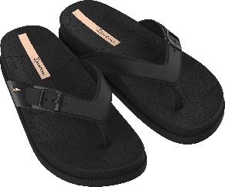 | IPANEMA LEME FEM | 83857-BP282 | 37-41/42 | 12 | 2-2-3-3-2
1044. |  | IPANEMA LEME FEM | 83857-BP282W | 37-41/42 | 6 | 1-1-2-1-1
1045. | 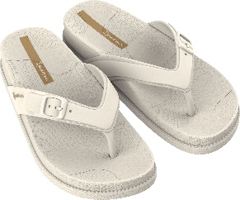 | IPANEMA LEME FEM | 83857-BP283 | 37-41/42 | 12 | 2-2-3-3-2
1046. |  | IPANEMA LEME FEM | 83857-BP283W | 37-41/42 | 6 | 1-1-2-1-1
1047. |  | IPANEMA LEME FEM | 83857-BP285 | 37-41/42 | 12 | 2-2-3-3-2
1048. |  | IPANEMA LEME FEM | 83857-BP285W | 37-41/42 | 6 | 1-1-2-1-1
SS26, IPANEMA, KIDS COLLECTION
1049. |  | IPANEMA CLAS BRASIL II KIDS | 80416-20197 | 31/32-38 | 12 | 2-2-2-3-3
1050. |  | IPANEMA CLAS BRASIL II KIDS | 80416-20197W | 31/32-38 | 6 | 1-1-2-1-1
1051. |  | IPANEMA CLAS BRASIL II KIDS | 80416-20534 | 31/32-38 | 12 | 2-2-2-3-3
1052. |  | IPANEMA CLAS BRASIL II KIDS | 80416-20534W | 31/32-38 | 6 | 1-1-2-1-1
1053. |  | IPANEMA CLAS BRASIL II KIDS | 80416-20700 | 31/32-38 | 12 | 2-2-2-3-3
1054. |  | IPANEMA CLAS BRASIL II KIDS | 80416-20700W | 31/32-38 | 6 | 1-1-2-1-1
...

RIDER
 |  |  | SPRING/SUMMER 2026 COLLECTION
 |  |  | Client: _ _ _ _ _ _ _ _ _ _ _ _ _ _ _
 |  |  | Address: _ _ _ _ _ _ _ _ _ _ _ _ _ _ _

No. | Kép | Megnevezés | Cikkszám | Méret tartomány | Pár / Karton | Méretbontás

SS26, RIDER MEN COLLECTION
1. |  | RIDER R1 SPEED AD | 11650-20746 | 39/40-47 | 12 | 1-2-2-3-2-1-1
2. |  | RIDER R1 SPEED AD | 11650-20746W | 41-47 | 6 | 1-1-1-1-1-1
3. | 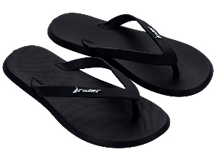 | RIDER R1 SPEED AD | 11650-20766 | 39/40-47 | 12 | 1-2-2-3-2-1-1
4. |  | RIDER R1 SPEED AD | 11650-20766W | 41-47 | 6 | 1-1-1-1-1-1
5. |  | RIDER R1 SPEED AD | 11650-25645 | 39/40-47 | 12 | 1-2-2-3-2-1-1
6. |  | RIDER R1 SPEED AD | 11650-25645W | 41-47 | 6 | 1-1-1-1-1-1
7. |  | RIDER R1 SPEED AD | 11650-BC317 | 39/40-47 | 12 | 1-2-2-3-2-1-1
8. |  | RIDER R1 SPEED AD | 11650-BC317W | 41-47 | 6 | 1-1-1-1-1-1
9. |  | RIDER R1 SPEED AD | 11650-BC974 | 39/40-47 | 12 | 1-2-2-3-2-1-1
10. |  | RIDER R1 SPEED AD | 11650-BC974W | 41-47 | 6 | 1-1-1-1-1-1
11. | 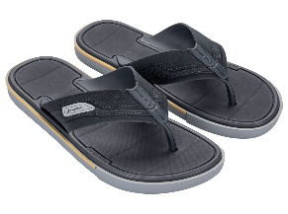 | RIDER SPIN THONG AD | 11772-BO726 | 41-45/46 | 12 | 1-2-4-3-2
12. |  | RIDER SPIN THONG AD | 11772-BO726W | 41-45/46 | 6 | 1-1-2-1-1
13. |  | RIDER SPIN THONG AD | 11772-BO729 | 41-45/46 | 12 | 1-2-4-3-2
14. |  | RIDER SPIN THONG AD | 11772-BO729W | 41-45/46 | 6 | 1-1-2-1-1
15. |  | RIDER SPIN THONG AD | 11772-BQ693 | 41-45/46 | 12 | 1-2-4-3-2
16. |  | RIDER SPIN THONG AD | 11772-BQ693W | 41-45/46 | 6 | 1-1-2-1-1
17. | 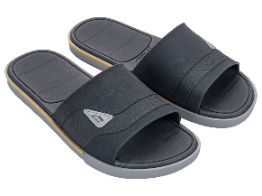 | RIDER SPIN THONG AD | 11795-BO745 | 41-45/46 | 12 | 1-2-4-3-2
18. |  | RIDER SPIN THONG AD | 11795-BO745W | 41-45/46 | 6 | 1-1-2-1-1
19. | 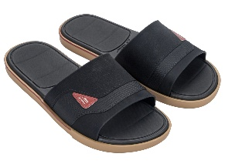 | RIDER SPIN THONG AD | 11795-BO748 | 41-45/46 | 12 | 1-2-4-3-2
20. |  | RIDER SPIN THONG AD | 11795-BO748W | 41-45/46 | 6 | 1-1-2-1-1
21. | 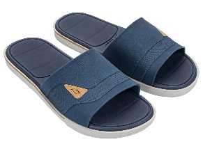 | RIDER SPIN THONG AD | 11795-BQ691 | 41-45/46 | 12 | 1-2-4-3-2
22. |  | RIDER SPIN THONG AD | 11795-BQ691W | 41-45/46 | 6 | 1-1-2-1-1
23. |  | RIDER STEP SLIDE AD | 12265-AT243 | 41-45/46 | 12 | 2-2-3-3-2
24. |  | RIDER STEP SLIDE AD | 12265-AT243W | 41-45/46 | 6 | 1-1-2-1-1
25. | 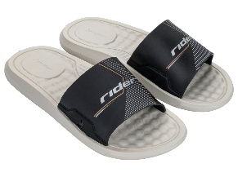 | RIDER STEP SLIDE AD | 12265-BM093 | 41-45/46 | 12 | 2-2-3-3-2
26. |  | RIDER STEP SLIDE AD | 12265-BM093W | 41-45/46 | 6 | 1-1-2-1-1
27. | 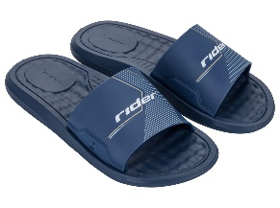 | RIDER STEP SLIDE AD | 12265-BM100 | 41-45/46 | 12 | 2-2-3-3-2
28. |  | RIDER STEP SLIDE AD | 12265-BM100W | 41-45/46 | 6 | 1-1-2-1-1
29. |  | RIDER WALK SLIDE AD | 12394-BB533 | 41-47 | 12 | 1-2-3-3-2-1
30. |  | RIDER WALK SLIDE AD | 12394-BB533W | 41-47 | 6 | 1-1-1-1-1-1
31. |  | RIDER WALK SLIDE AD | 12394-BB536 | 41-47 | 12 | 1-2-3-3-2-1
32. |  | RIDER WALK SLIDE AD | 12394-BB536W | 41-47 | 6 | 1-1-1-1-1-1
33. | 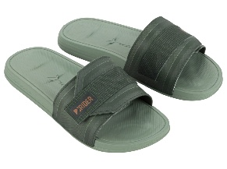 | RIDER WALK SLIDE AD | 12394-BB538 | 41-47 | 12 | 1-2-3-3-2-1
34. |  | RIDER WALK SLIDE AD | 12394-BB538W | 41-47 | 6 | 1-1-1-1-1-1
35. |  | RIDER RW PLUS THONG AD | 12425-BE385 | 41-45/46 | 12 | 1-2-4-3-2
36. |  | RIDER RW PLUS THONG AD | 12425-BE385W | 41-45/46 | 6 | 1-1-1-2-1
37. |  | RIDER RW PLUS THONG AD | 12425-BE389 | 41-45/46 | 12 | 1-2-4-3-2
38. |  | RIDER RW PLUS THONG AD | 12425-BE389W | 41-45/46 | 6 | 1-1-1-2-1
39. | 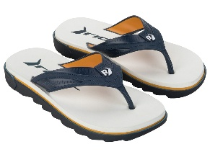 | RIDER RW PLUS THONG AD | 12425-BJ359 | 41-45/46 | 12 | 1-2-4-3-2
40. |  | RIDER RW PLUS THONG AD | 12425-BJ359W | 41-45/46 | 6 | 1-1-1-2-1
41. | 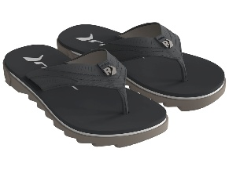 | RIDER RW PLUS THONG AD | 12425-BR307 | 41-45/46 | 12 | 1-2-4-3-2
42. |  | RIDER RW PLUS THONG AD | 12425-BR307W | 41-45/46 | 6 | 1-1-1-2-1
43. | 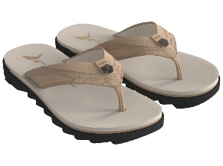 | RIDER RW PLUS THONG AD | 12425-BR311 | 41-45/46 | 12 | 1-2-4-3-2
44. |  | RIDER RW PLUS THONG AD | 12425-BR311W | 41-45/46 | 6 | 1-1-1-2-1
45. |  | RIDER RW PLUS THONG AD | 12425-BR312 | 41-45/46 | 12 | 1-2-4-3-2
46. |  | RIDER RW PLUS THONG AD | 12425-BR312W | 41-45/46 | 6 | 1-1-1-2-1
47. |  | RIDER RW PLUS THONG AD | 12425-BT810 | 41-45/46 | 12 | 1-2-4-3-2
48. |  | RIDER RW PLUS THONG AD | 12425-BT810W | 41-45/46 | 6 | 1-1-1-2-1
49. | 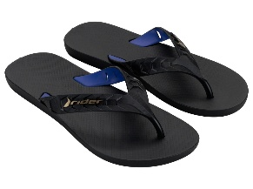 | RIDER STREET DUO THONG AD | 12430-BC595 | 39/40-45/46 | 12 | 1-4-5-2
50. |  | RIDER STREET DUO THONG AD | 12430-BC595W | 39/40-45/46 | 6 | 1-2-2-1
51. | 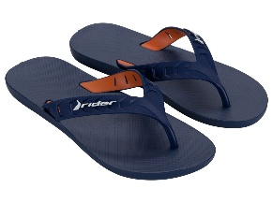 | RIDER STREET DUO THONG AD | 12430-BC596 | 39/40-45/46 | 12 | 1-4-5-2
52. |  | RIDER STREET DUO THONG AD | 12430-BC596W | 39/40-45/46 | 6 | 1-2-2-1
53. |  | RIDER STREET DUO THONG AD | 12430-BK231 | 39/40-45/46 | 12 | 1-4-5-2
54. |  | RIDER STREET DUO THONG AD | 12430-BK231W | 39/40-45/46 | 6 | 1-2-2-1
55. |  | RIDER STREET DUO THONG AD | 12430-BK235 | 39/40-45/46 | 12 | 1-4-5-2
56. |  | RIDER STREET DUO THONG AD | 12430-BK235W | 39/40-45/46 | 6 | 1-2-2-1
57. | 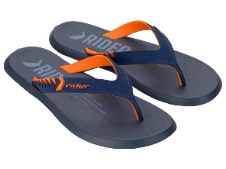 | RIDER R1 PRIME THONG AD | 12438-BF023 | 41-47 | 12 | 1-2-3-3-2-1
58. |  | RIDER R1 PRIME THONG AD | 12438-BF023W | 41-47 | 6 | 1-1-1-1-1-1
59. |  | RIDER R1 PRIME THONG AD | 12438-BM575 | 41-47 | 12 | 1-2-3-3-2-1
60. |  | RIDER R1 PRIME THONG AD | 12438-BM575W | 41-47 | 6 | 1-1-1-1-1-1
61. | 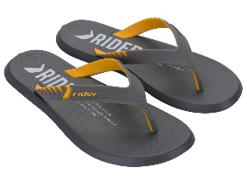 | RIDER R1 PRIME THONG AD | 12438-BM576 | 41-47 | 12 | 1-2-3-3-2-1
62. |  | RIDER R1 PRIME THONG AD | 12438-BM576W | 41-47 | 6 | 1-1-1-1-1-1
63. | 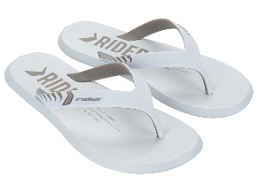 | RIDER R1 PRIME THONG AD | 12438-BM581 | 41-47 | 12 | 1-2-3-3-2-1
64. |  | RIDER R1 PRIME THONG AD | 12438-BM581W | 41-47 | 6 | 1-1-1-1-1-1
65. |  | RIDER R1 PRIME THONG AD | 12438-BQ682 | 41-47 | 12 | 1-2-3-3-2-1
66. |  | RIDER R1 PRIME THONG AD | 12438-BQ682W | 41-47 | 6 | 1-1-1-1-1-1
67. | 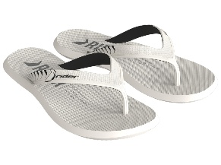 | RIDER R1 PRIME THONG AD | 12438-BQ685 | 41-47 | 12 | 1-2-3-3-2-1
68. |  | RIDER R1 PRIME THONG AD | 12438-BQ685W | 41-47 | 6 | 1-1-1-1-1-1
69. | 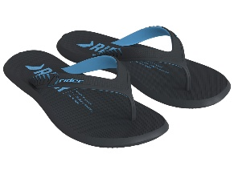 | RIDER R1 PRIME THONG AD | 12438-BQ687 | 41-47 | 12 | 1-2-3-3-2-1
70. |  | RIDER R1 PRIME THONG AD | 12438-BQ687W | 41-47 | 6 | 1-1-1-1-1-1
71. | 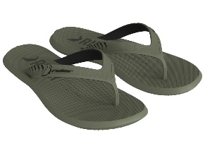 | RIDER R1 PRIME THONG AD | 12438-BS744 | 41-47 | 12 | 1-2-3-3-2-1
72. |  | RIDER R1 PRIME THONG AD | 12438-BS744W | 41-47 | 6 | 1-1-1-1-1-1
73. | 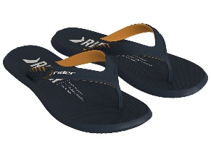 | RIDER R1 PRIME THONG AD | 12438-BS745 | 41-47 | 12 | 1-2-3-3-2-1
74. |  | RIDER R1 PRIME THONG AD | 12438-BS745W | 41-47 | 6 | 1-1-1-1-1-1
75. |  | RIDER R1 PRIME THONG AD | 12438-BS746 | 41-47 | 12 | 1-2-3-3-2-1
76. |  | RIDER R1 PRIME THONG AD | 12438-BS746W | 41-47 | 6 | 1-1-1-1-1-1
77. | 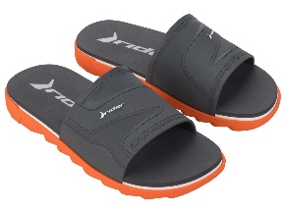 | RIDER RW PLUS SLIDE AD | 12441-BF550 | 41-45/46 | 12 | 2-2-3-3-2
78. |  | RIDER RW PLUS SLIDE AD | 12441-BF550W | 41-45/46 | 6 | 1-1-2-1-1
79. | 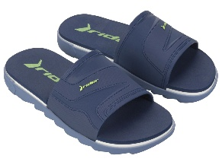 | RIDER RW PLUS SLIDE AD | 12441-BF552 | 41-45/46 | 12 | 2-2-3-3-2
80. |  | RIDER RW PLUS SLIDE AD | 12441-BF552W | 41-45/46 | 6 | 1-1-2-1-1
81. |  | RIDER RW PLUS SLIDE AD | 12441-BF553 | 41-45/46 | 12 | 2-2-3-3-2
82. |  | RIDER RW PLUS SLIDE AD | 12441-BF553W | 41-45/46 | 6 | 1-1-2-1-1
83. | 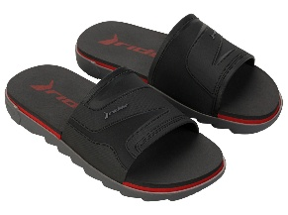 | RIDER RW PLUS SLIDE AD | 12441-BF554 | 41-45/46 | 12 | 2-2-3-3-2
84. |  | RIDER RW PLUS SLIDE AD | 12441-BF554W | 41-45/46 | 6 | 1-1-2-1-1
85. |  | RIDER RW PLUS SLIDE AD | 12441-BF555 | 41-45/46 | 12 | 2-2-3-3-2
86. |  | RIDER RW PLUS SLIDE AD | 12441-BF555W | 41-45/46 | 6 | 1-1-2-1-1
87. | 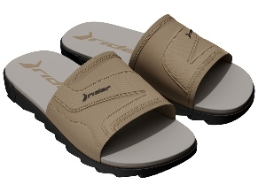 | RIDER RW PLUS SLIDE AD | 12441-BR301 | 41-45/46 | 12 | 2-2-3-3-2
88. |  | RIDER RW PLUS SLIDE AD | 12441-BR301W | 41-45/46 | 6 | 1-1-2-1-1
89. |  | RIDER RW PLUS SLIDE AD | 12441-BR302 | 41-45/46 | 12 | 2-2-3-3-2
90. |  | RIDER RW PLUS SLIDE AD | 12441-BR302W | 41-45/46 | 6 | 1-1-2-1-1
91. |  | RIDER RW PLUS SLIDE AD | 12441-BT809 | 41-45/46 | 12 | 2-2-3-3-2
92. |  | RIDER RW PLUS SLIDE AD | 12441-BT809W | 41-45/46 | 6 | 1-1-2-1-1
93. |  | RIDER RW PLUS SLIDE AD | 12441-BT811 | 41-45/46 | 12 | 2-2-3-3-2
94. |  | RIDER RW PLUS SLIDE AD | 12441-BT811W | 41-45/46 | 6 | 1-1-2-1-1
95. | 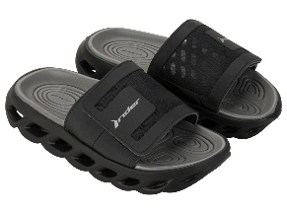 | RIDER R POWER SLIDE AD | 12444-BG999 | 41-47 | 12 | 1-2-3-3-2-1
96. |  | RIDER R POWER SLIDE AD | 12444-BG999W | 41-47 | 6 | 1-1-1-1-1-1
97. | 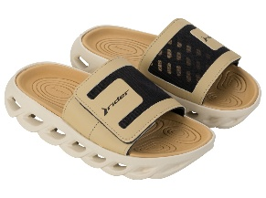 | RIDER R POWER SLIDE AD | 12444-BH000 | 41-47 | 12 | 1-2-3-3-2-1
98. |  | RIDER R POWER SLIDE AD | 12444-BH000W | 41-47 | 6 | 1-1-1-1-1-1
99. | 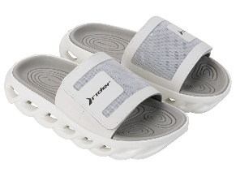 | RIDER R POWER SLIDE AD | 12444-BH003 | 41-47 | 12 | 1-2-3-3-2-1
100. |  | RIDER R POWER SLIDE AD | 12444-BH003W | 41-47 | 6 | 1-1-1-1-1-1
101. |  | RIDER FREE III THONG AD | 12455-BH268 | 39/40-45/46 | 12 | 1-1-2-3-3-2
102. |  | RIDER FREE III THONG AD | 12455-BH268W | 39/40-45/46 | 6 | 1-1-1-1-1-1
103. |  | RIDER FREE III THONG AD | 12455-BH269 | 39/40-45/46 | 12 | 1-1-2-3-3-2
104. |  | RIDER FREE III THONG AD | 12455-BH269W | 39/40-45/46 | 6 | 1-1-1-1-1-1
105. |  | RIDER FREE III THONG AD | 12455-BH272 | 39/40-45/46 | 12 | 1-1-2-3-3-2
106. |  | RIDER FREE III THONG AD | 12455-BH272W | 39/40-45/46 | 6 | 1-1-1-1-1-1
107. |  | RIDER FEEL SLIDE AD | 12491-BL083 | 41-45/46 | 12 | 2-2-3-3-2
108. |  | RIDER FEEL SLIDE AD | 12491-BL083W | 41-45/46 | 6 | 1-1-2-1-1
109. |  | RIDER FEEL SLIDE AD | 12491-BL084 | 41-45/46 | 12 | 2-2-3-3-2
110. |  | RIDER FEEL SLIDE AD | 12491-BL084W | 41-45/46 | 6 | 1-1-2-1-1
111. | 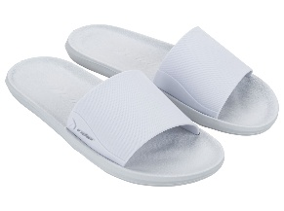 | RIDER FEEL SLIDE AD | 12491-BL085 | 41-45/46 | 12 | 2-2-3-3-2
112. |  | RIDER FEEL SLIDE AD | 12491-BL085W | 41-45/46 | 6 | 1-1-2-1-1
113. | 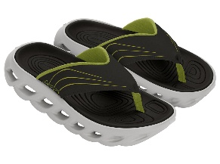 | RIDER R POWER THONG AD | 12495-BL233 | 41-45/46 | 12 | 2-2-3-3-2
114. |  | RIDER R POWER THONG AD | 12495-BL233W | 41-45/46 | 6 | 1-1-1-2-1
115. |  | RIDER R POWER THONG AD | 12495-BL239 | 41-45/46 | 12 | 2-2-3-3-2
116. |  | RIDER R POWER THONG AD | 12495-BL239W | 41-45/46 | 6 | 1-1-1-2-1
117. | 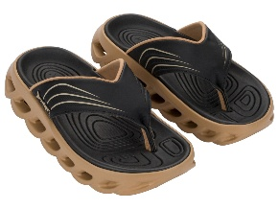 | RIDER R POWER THONG AD | 12495-BP548 | 41-45/46 | 12 | 2-2-3-3-2
118. |  | RIDER R POWER THONG AD | 12495-BP548W | 41-45/46 | 6 | 1-1-1-2-1
119. | 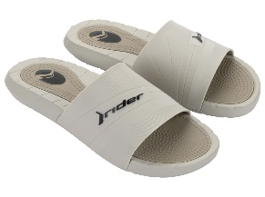 | RIDER RUSH SLIDE AD | 12511-BN354 | 41-47 | 12 | 1-2-3-3-2-1
120. |  | RIDER RUSH SLIDE AD | 12511-BN354W | 41-47 | 6 | 1-1-1-1-1-1
121. | 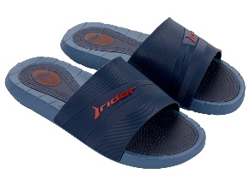 | RIDER RUSH SLIDE AD | 12511-BN356 | 41-47 | 12 | 1-2-3-3-2-1
122. |  | RIDER RUSH SLIDE AD | 12511-BN356W | 41-47 | 6 | 1-1-1-1-1-1
123. | 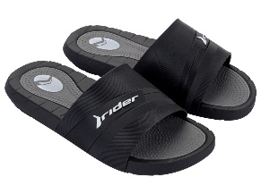 | RIDER RUSH SLIDE AD | 12511-BN357 | 41-47 | 12 | 1-2-3-3-2-1
124. |  | RIDER RUSH SLIDE AD | 12511-BN357W | 41-47 | 6 | 1-1-1-1-1-1
125. | 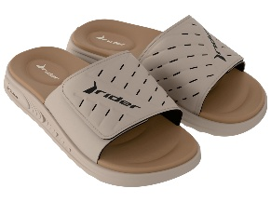 | RIDER R SOFT PLUS SLIDE AD | 12529-BQ113 | 41-47 | 12 | 1-2-3-3-2-1
126. |  | RIDER R SOFT PLUS SLIDE AD | 12529-BQ113W | 41-47 | 6 | 1-1-1-1-1-1
127. | 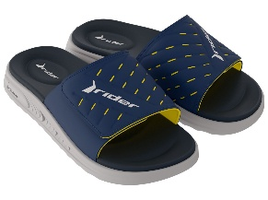 | RIDER R SOFT PLUS SLIDE AD | 12529-BQ116 | 41-47 | 12 | 1-2-3-3-2-1
128. |  | RIDER R SOFT PLUS SLIDE AD | 12529-BQ116W | 41-47 | 6 | 1-1-1-1-1-1
129. |  | RIDER R SOFT PLUS SLIDE AD | 12529-BR934 | 41-47 | 12 | 1-2-3-3-2-1
130. |  | RIDER R SOFT PLUS SLIDE AD | 12529-BR934W | 41-47 | 6 | 1-1-1-1-1-1
131. | 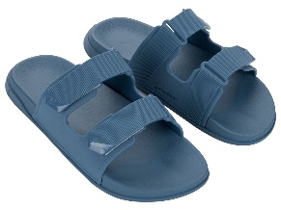 | RIDER 2STRAPS SLIDE AD | 12547-BP671 | 41-45/46 | 12 | 2-2-3-3-2
132. |  | RIDER 2STRAPS SLIDE AD | 12547-BP671W | 41-45/46 | 6 | 1-1-1-2-1
133. |  | RIDER 2STRAPS SLIDE AD | 12547-BP672 | 41-45/46 | 12 | 2-2-3-3-2
134. |  | RIDER 2STRAPS SLIDE AD | 12547-BP672W | 41-45/46 | 6 | 1-1-1-2-1
135. | 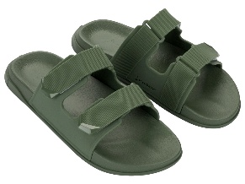 | RIDER 2STRAPS SLIDE AD | 12547-BP673 | 41-45/46 | 12 | 2-2-3-3-2
136. |  | RIDER 2STRAPS SLIDE AD | 12547-BP673W | 41-45/46 | 6 | 1-1-1-2-1
137. |  | RIDER IMPULSE THONG AD | 83527-AR447 | 41-47 | 12 | 1-2-3-3-2-1
138. |  | RIDER IMPULSE THONG AD | 83527-AR447W | 41-47 | 6 | 1-1-1-1-1-1
139. |  | RIDER IMPULSE THONG AD | 83527-AR450 | 41-47 | 12 | 1-2-3-3-2-1
140. |  | RIDER IMPULSE THONG AD | 83527-AR450W | 41-47 | 6 | 1-1-1-1-1-1
141. |  | RIDER IMPULSE THONG AD | 83527-AS979 | 41-47 | 12 | 1-2-3-3-2-1
142. |  | RIDER IMPULSE THONG AD | 83527-AS979W | 41-47 | 6 | 1-1-1-1-1-1
143. |  | RIDER IMPULSE THONG AD | 83527-BB402 | 41-47 | 12 | 1-2-3-3-2-1
144. |  | RIDER IMPULSE THONG AD | 83527-BB402W | 41-47 | 6 | 1-1-1-1-1-1
145. | 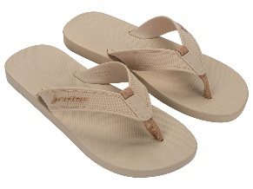 | RIDER IMPULSE THONG AD | 83527-BM363 | 41-47 | 12 | 1-2-3-3-2-1
146. |  | RIDER IMPULSE THONG AD | 83527-BM363W | 41-47 | 6 | 1-1-1-1-1-1
147. |  | RIDER IMPULSE THONG AD | 83527-BN359 | 41-47 | 12 | 1-2-3-3-2-1
148. |  | RIDER IMPULSE THONG AD | 83527-BN359W | 41-47 | 6 | 1-1-1-1-1-1
149. |  | RIDER CAPE XVIII AD | 83631-AZ145 | 41-47 | 12 | 1-2-3-3-2-1
150. |  | RIDER CAPE XVIII AD | 83631-AZ145W | 41-47 | 6 | 1-1-1-1-1-1
151. | 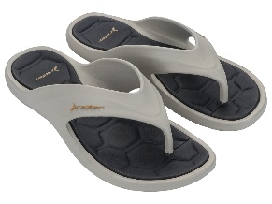 | RIDER CAPE XVIII AD | 83631-BM419 | 41-47 | 12 | 1-2-3-3-2-1
152. |  | RIDER CAPE XVIII AD | 83631-BM419W | 41-47 | 6 | 1-1-1-1-1-1
153. |  | RIDER CAPE XVIII AD | 83631-BM420 | 41-47 | 12 | 1-2-3-3-2-1
154. |  | RIDER CAPE XVIII AD | 83631-BM420W | 41-47 | 6 | 1-1-1-1-1-1
155. | 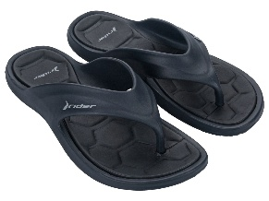 | RIDER CAPE XVIII AD | 83631-BM421 | 41-47 | 12 | 1-2-3-3-2-1
156. |  | RIDER CAPE XVIII AD | 83631-BM421W | 41-47 | 6 | 1-1-1-1-1-1
157. |  | RIDER CAPE XVIII AD | 83631-BM422 | 41-47 | 12 | 1-2-3-3-2-1
158. |  | RIDER CAPE XVIII AD | 83631-BM422W | 41-47 | 6 | 1-1-1-1-1-1
159. |  | RIDER BAY XIV AD | 83632-AZ137 | 41-47 | 12 | 1-2-3-3-2-1
160. |  | RIDER BAY XIV AD | 83632-AZ137W | 41-47 | 6 | 1-1-1-1-1-1
161. |  | RIDER BAY XIV AD | 83632-BM433 | 41-47 | 12 | 1-2-3-3-2-1
162. |  | RIDER BAY XIV AD | 83632-BM433W | 41-47 | 6 | 1-1-1-1-1-1
163. | 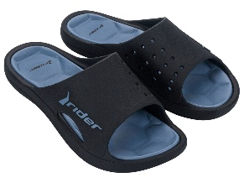 | RIDER BAY XIV AD | 83632-BM434 | 41-47 | 12 | 1-2-3-3-2-1
164. |  | RIDER BAY XIV AD | 83632-BM434W | 41-47 | 6 | 1-1-1-1-1-1
165. | 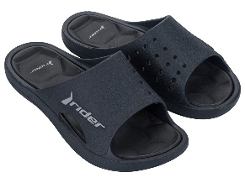 | RIDER BAY XIV AD | 83632-BM435 | 41-47 | 12 | 1-2-3-3-2-1
166. |  | RIDER BAY XIV AD | 83632-BM435W | 41-47 | 6 | 1-1-1-1-1-1
167. | 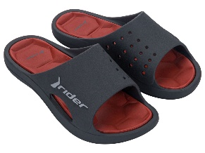 | RIDER BAY XIV AD | 83632-BM436 | 41-47 | 12 | 1-2-3-3-2-1
168. |  | RIDER BAY XIV AD | 83632-BM436W | 41-47 | 6 | 1-1-1-1-1-1
169. | 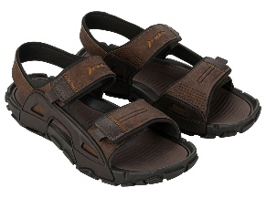 | RIDER TREK AD | 83724-BE118 | 41-45/46 | 12 | 2-2-3-3-2
170. |  | RIDER TREK AD | 83724-BE118W | 41-45/46 | 6 | 1-1-2-1-1
171. | 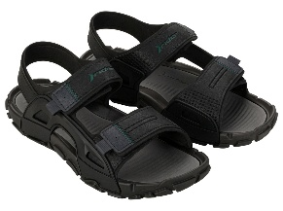 | RIDER TREK AD | 83724-BE146 | 41-45/46 | 12 | 2-2-3-3-2
172. |  | RIDER TREK AD | 83724-BE146W | 41-45/46 | 6 | 1-1-2-1-1
173. |  | RIDER TREK AD | 83724-BE147 | 41-45/46 | 12 | 2-2-3-3-2
174. |  | RIDER TREK AD | 83724-BE147W | 41-45/46 | 6 | 1-1-2-1-1
175. |  | RIDER TREK AD | 83724-BE149 | 41-45/46 | 12 | 2-2-3-3-2
176. |  | RIDER TREK AD | 83724-BE149W | 41-45/46 | 6 | 1-1-2-1-1
177. |  | RIDER DUNAS VII AD | 83874-BQ137 | 41-47 | 12 | 1-2-3-3-2-1
178. |  | RIDER DUNAS VII AD | 83874-BQ137W | 41-47 | 6 | 1-1-1-1-1-1
179. | 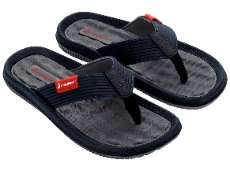 | RIDER DUNAS VII AD | 83874-BQ138 | 41-47 | 12 | 1-2-3-3-2-1
180. |  | RIDER DUNAS VII AD | 83874-BQ138W | 41-47 | 6 | 1-1-1-1-1-1
181. |  | RIDER DUNAS VII AD | 83874-BQ139 | 41-47 | 12 | 1-2-3-3-2-1
182. |  | RIDER DUNAS VII AD | 83874-BQ139W | 41-47 | 6 | 1-1-1-1-1-1
183. |  | RIDER DUNAS VII AD | 83874-BQ140 | 41-47 | 12 | 1-2-3-3-2-1
184. |  | RIDER DUNAS VII AD | 83874-BQ140W | 41-47 | 6 | 1-1-1-1-1-1
185. | 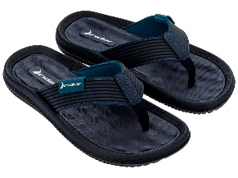 | RIDER DUNAS VII AD | 83874-BQ141 | 41-47 | 12 | 1-2-3-3-2-1
186. |  | RIDER DUNAS VII AD | 83874-BQ141W | 41-47 | 6 | 1-1-1-1-1-1
187. | 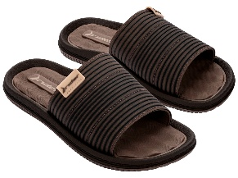 | RIDER DUNAS SLIDE AD | 83875-BQ223 | 41-47 | 12 | 1-2-3-3-2-1
188. |  | RIDER DUNAS SLIDE AD | 83875-BQ223W | 41-47 | 6 | 1-1-1-1-1-1
189. |  | RIDER DUNAS SLIDE AD | 83875-BQ224 | 41-47 | 12 | 1-2-3-3-2-1
190. |  | RIDER DUNAS SLIDE AD | 83875-BQ224W | 41-47 | 6 | 1-1-1-1-1-1
191. |  | RIDER DUNAS SLIDE AD | 83875-BQ225 | 41-47 | 12 | 1-2-3-3-2-1
192. |  | RIDER DUNAS SLIDE AD | 83875-BQ225W | 41-47 | 6 | 1-1-1-1-1-1
193. |  | RIDER DUNAS SLIDE AD | 83875-BQ226 | 41-47 | 12 | 1-2-3-3-2-1
194. |  | RIDER DUNAS SLIDE AD | 83875-BQ226W | 41-47 | 6 | 1-1-1-1-1-1
195. |  | RIDER FIJI THONG AD | 83876-BQ282 | 41-47 | 12 | 1-2-3-3-2-1
196. |  | RIDER FIJI THONG AD | 83876-BQ282W | 41-47 | 6 | 1-1-1-1-1-1
197. |  | RIDER FIJI THONG AD | 83876-BQ298 | 41-47 | 12 | 1-2-3-3-2-1
...

